Pin mapping
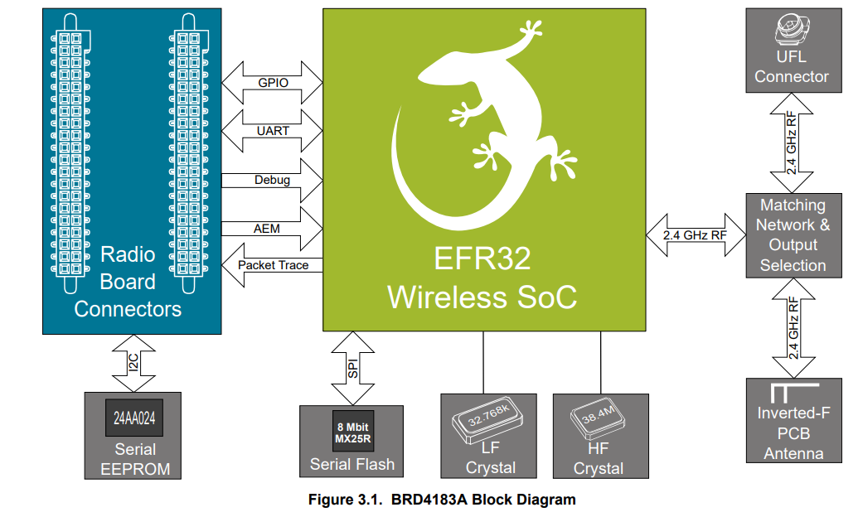
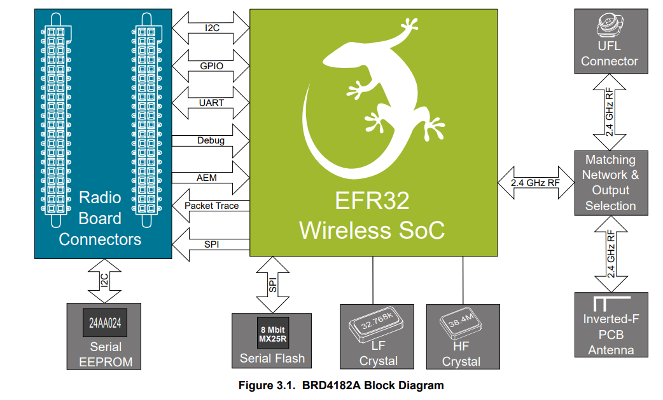
Pin Mapping Test EFR32xG22 (BRD4182A - QFN 40 pin) |  |  |  |  |  |  |  |  | Pin Mapping Test EFR32xG22 (BRD4183A - QFN 32 pin)

Function | Signal | Expansion Header | Top/Bottom Header | CPU Port | Master | Slave | Remark |  | Function | Signal | Expansion Header | Top/Bottom Header | CPU Port | Master | Slave | Remark
A/D | 1_P | - | P25/F20 | PC04 | - | Y | Differential A/D (pos) | ---> | A/D | 1_P | - | P25/F20 | PC04 | - | Y | Differential A/D (pos) |  |  |  | V
A/D | 1_N | - | P27/F19 | PC05 | - | Y | Differential A/D (neg) | ---> | A/D | 1_N | - | P27/F19 | PC05 | - | Y | Differential A/D (neg) |  |  |  | V
A/D | 2_P | - | P19/F9 | PA07 | - | Y | Differential A/D (pos) | ---X | A/D | 2_P | - | P19/F9 | PA07 | - | Y | Differential A/D (pos) |  | ? | PC00 | V
A/D | 2_N | - | P21/F8 | PA08 | - | Y | Differential A/D (neg) | ---X | A/D | 2_N | - | P21/F8 | PA08 | - | Y | Differential A/D (neg) |  | ? | PC01 | V

DEBUG DOUT | 1 | H9 | P6/F13 | PB01 | Y | Y |  | ---> | DEBUG DOUT | 1 | H9 | P6/F13 | PB01 | Y | Y |  |  |  |  | V
DEBUG DOUT | 2 | H11 | P12 | PD02 | Y | Y |  | ---X | DEBUG DOUT | 2 | H11 | P12 | PD02 | Y | Y |  |  | ? | PC04 | V
DEBUG DOUT | 3 | H13 | P10/F11 | PD03 | Y | Y |  | ---X | DEBUG DOUT | 3 | H13 | P10/F11 | PD03 | Y | Y |  |  | ? | PC05 | V

DEBUG | TCK_SWCLK | - | P16/F1 | PA01 | Y | Y | Really needed? | ---> | DEBUG | TCK_SWCLK | - | P16/F1 | PA01 | Y | Y | Really needed? |  |  |  | V
DEBUG | TMS_SWDIO | - | P18/F0 | PA02 | Y | Y | Really needed? | ---> | DEBUG | TMS_SWDIO | - | P18/F0 | PA02 | Y | Y | Really needed? |  |  |  | V
DEBUG | TDO_SWO | - | P20/F2 | PA03 | Y | Y | Really needed? | ---> | DEBUG | TDO_SWO | - | P20/F2 | PA03 | Y | Y | Really needed? |  |  |  | V

DIN | BTN0 | H7 | P4/F12 | PB00 | Y | Y |  | ---> | DIN | BTN0 | H7 | P4/F12 | PB00 | Y | Y |  |  |  |  | V
DIN | ERR_TEMP | H10 | P7 | PC03 | - | Y |  | ---> | DIN | ERR_TEMP | H10 | P7 | PC03 | - | Y |  | 2) | SPI_FLASH_EN(CS) | PC03 | X

PWM | 0 | - | P29/F17 | PC06 | - | Y | Limited to 90kHz | ---X | PWM | 0 | - | P29/F17 | PC06 | - | Y | Limited to 90kHz |  | ? | PC02 | V
PWM | 1 | - | P14/F18 | PA00 | - | Y | Limited to 90kHz | ---> | PWM | 1 | - | P14/F18 | PA00 | - | Y | Limited to 90kHz |  |  | VCOM_RTS disabled | V

UART/US1 | TxD | H12 | P9/F6 | PA05 | Y | Y | VCOM RTS (PA07)/CTS(PA08) disabled | ---> | UART/US1 | TxD | H12 | P9/F6 | PA05 | Y | Y | VCOM RTS (PA07)/CTS(PA08) disabled |  |  |  | V
UART/US1 | RxD | H14 | P11/F7 | PA06 | Y | Y | VCOM RTS (PA07)/CTS(PA08) disabled | ---> | UART/US1 | RxD | H14 | P11/F7 | PA06 | Y | Y | VCOM RTS (PA07)/CTS(PA08) disabled |  |  |  | V
UART/US1 | ENABLE | - | P15/F5 | PB04 | Y | Y |  | ---X | UART/US1 | ENABLE | - | P15/F5 | PB04 | Y | Y |  | 1) | PA04/P22/F5 | PA04 | V

I2C0 | SCL | H15 | P12 | PB02 | - | Y |  | ---> | I2C0 | SCL | H15 | P12 | PB02 | - | Y |  |  |  | VCOM_CTS disabled | X
I2C0 | SDA | H16 | P13 | PB03 | - | Y |  | ---X | I2C0 | SDA | H16 | P13 | PB03 | - | Y |  |  | ? |  | X
I2C0 | ENABLE | - | P31/F14 | PC07 | - | Y | Enbale onboard T&H sensor | ---X | I2C0 | ENABLE | - | P31/F14 | PC07 | - | Y | Enbale onboard T&H sensor |  | ? |  | X

SPI/US0 | MOSI | H4 | P1/F16 | PC00 | Y | Y | Future feature (SPI FLASH) | ---> | SPI/US0 | MOSI | H4 | P1/F16 | PC00 | Y | Y | Future feature (SPI FLASH) |  |  |  | X
SPI/US0 | MISO | H6/H3 | P3/P0 | PC01 | Y | Y | Future feature (SPI FLASH) | ---> | SPI/US0 | MISO | H6/H3 | P3/P0 | PC01 | Y | Y | Future feature (SPI FLASH) |  |  |  | X
SPI/US0 | SCLK | H8 | P5/F15 | PC02 | Y | Y | Future feature (SPI FLASH) | ---> | SPI/US0 | SCLK | H8 | P5/F15 | PC02 | Y | Y | Future feature (SPI FLASH) |  |  |  | X
SPI | ENABLE | - | P22 | PA04 | Y | Y | Future feature (SPI FLASH) | ---> | SPI | ENABLE | - | P22 | PA04 | Y | Y | Future feature (SPI FLASH) | 1) + 2) | 2) PC03 | PC03 | X

SPI/PTI | CLK | - | P29/F17 | PC06 | Y | - | Future feature (EFR32 as transceiver) | ---X | SPI/PTI | CLK | - | P29/F17 | PC06 | Y | - | Future feature (EFR32 as transceiver) |  | ? | ? | X
SPI/PTI | DFRAME | - | P27/F19 | PC05 | Y | - | Future feature (EFR32 as transceiver) | ---> | SPI/PTI | DFRAME | - | P27/F19 | PC05 | Y | - | Future feature (EFR32 as transceiver) |  |  |  | X
SPI/PTI | DOUT | - | P25/F20 | PC04 | Y | - | Future feature (EFR32 as transceiver) | ---> | SPI/PTI | DOUT | - | P25/F20 | PC04 | Y | - | Future feature (EFR32 as transceiver) |  |  |  | X

XTAL | - | - | - | PD00 | Y | Y |  | ---> | XTAL | - | - | - | PD00 | Y | Y |  |  |  |  | V
XTAL | - | - | - | PD01 | Y | Y |  | ---> | XTAL | - | - | - | PD01 | Y | Y |  |  |  |  | V

